Member
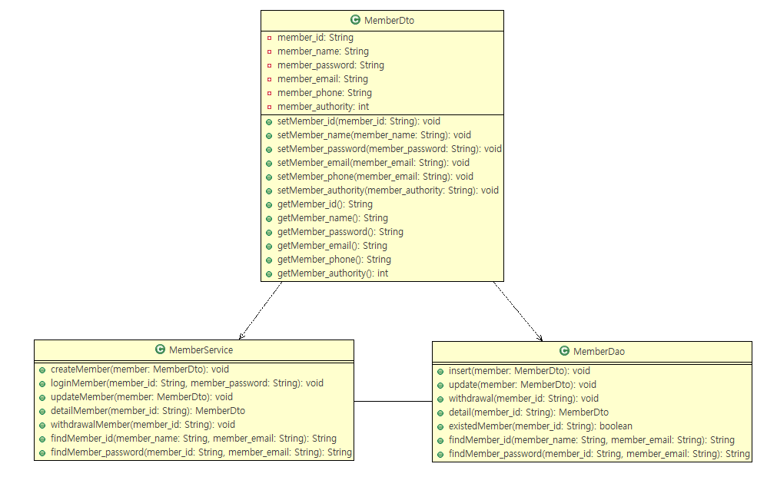
Member Class Diagram

Seat&Reservation
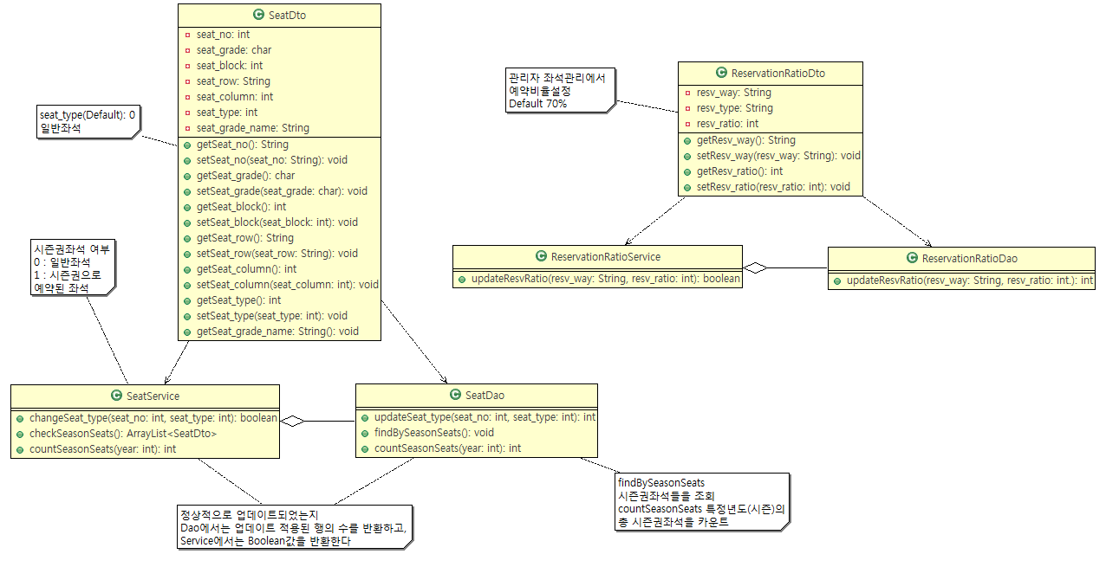
Seat Class Diagram

Ticket
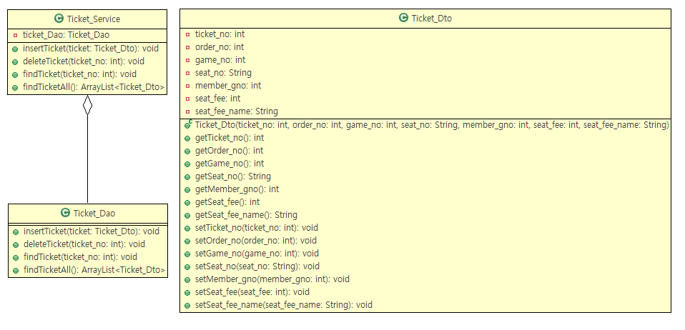
Ticket Class Diagram

Ticket_order
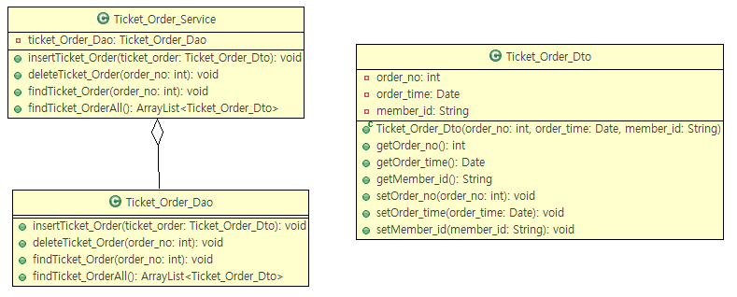
Ticket_orer Class Diagram

Discount
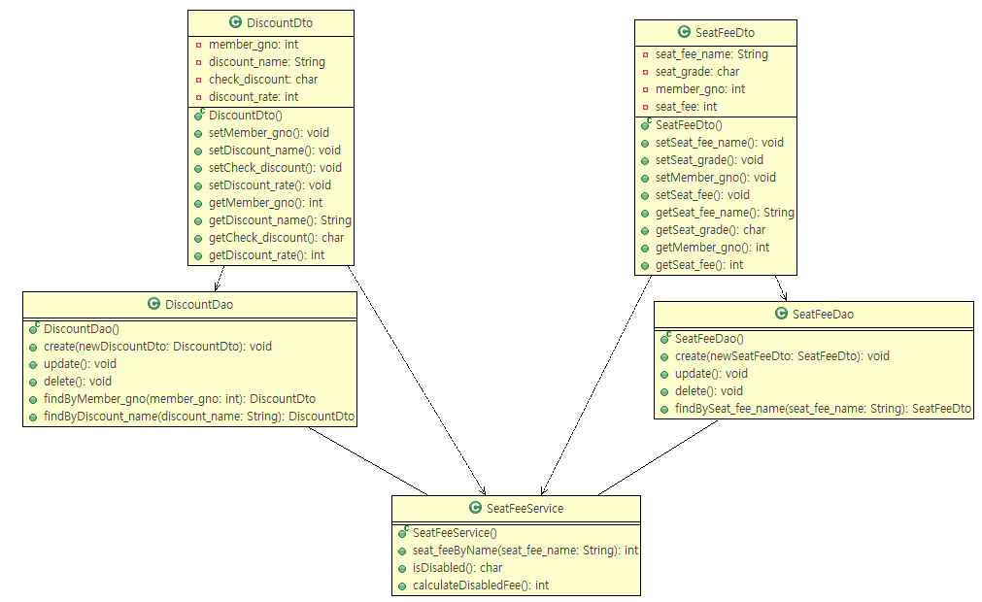
Discount Class Diagram

Game Schedule
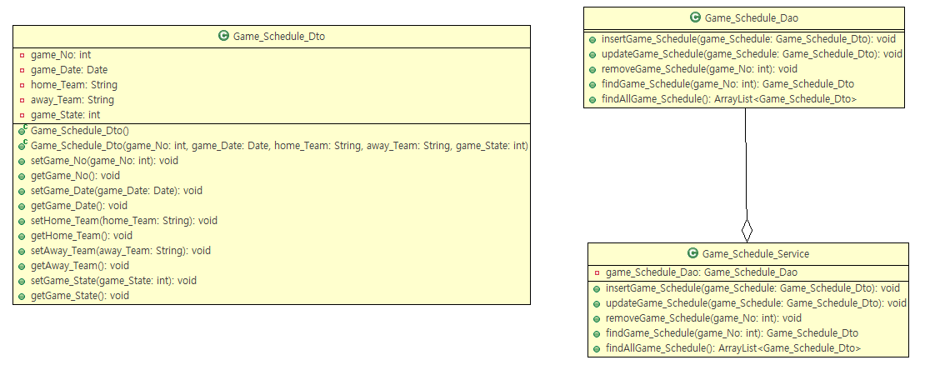
Game Schedule Class Diagram

Game Information
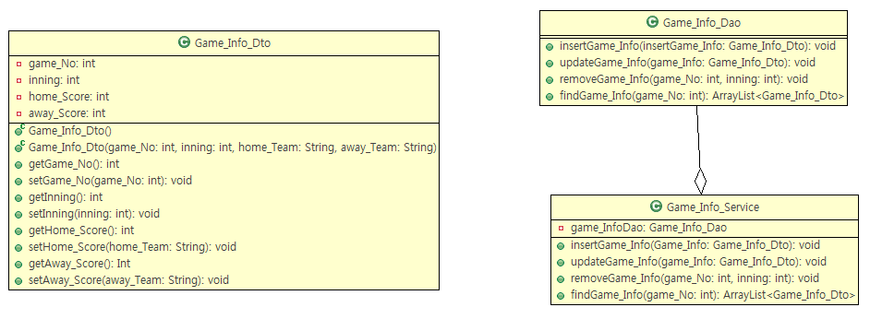
Game Information Class Diagram

Team
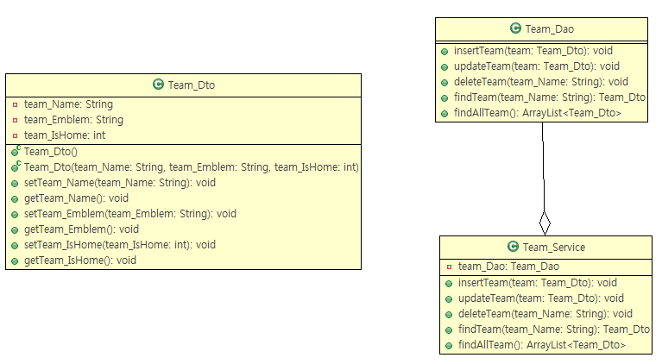
Team Class Diagram

